Configuration
IT Cabinet Configuration

Configuration Code: | RF1-47-60/12A-GWA4B-AAK-B

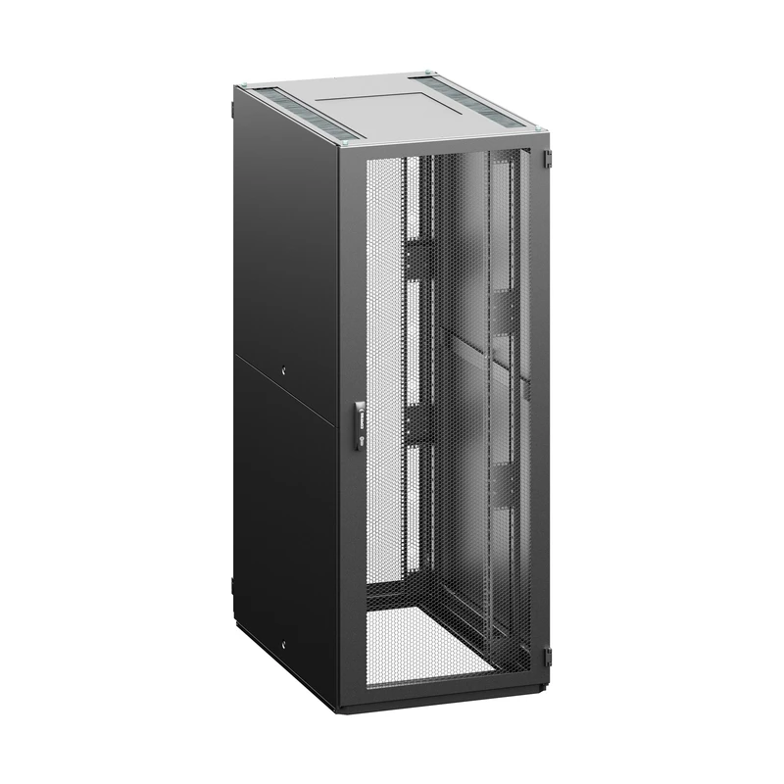

Configuration Parameters
Parameter | Code | Value
Height | 47 | 47U (2205 mm)
Width | 60 | 600 mm
Depth | 12 | 1200 mm
Color | B | RAL 7035 (light gray)
Bar type | A | A - type of extrusions
Front door | G | glass door
Front door lock | W | swivel handle, DIN profile, universal key 333, multipoint
Rear Door | A | vertically divided glass door
Rear Door Lock | 4 | Electronic door lock with profile half cylinder and built in card reader (EM&HID Prox format 125kHz), 4.5m cables included, multipoint
Side panel | B | 1 side panels, sheet steel, universal key
Top and bottom plate | A | Top plate - P design, bottom plate - X design, Top and bottom single piece plates, for IP55

General Accessories
No general accessories.

Installed Accessories
No accessories with an assigned position.

