Configuration
IT Cabinet Configuration

Configuration Code: | RF1-42-80/10V-AHC3A-0XF-B

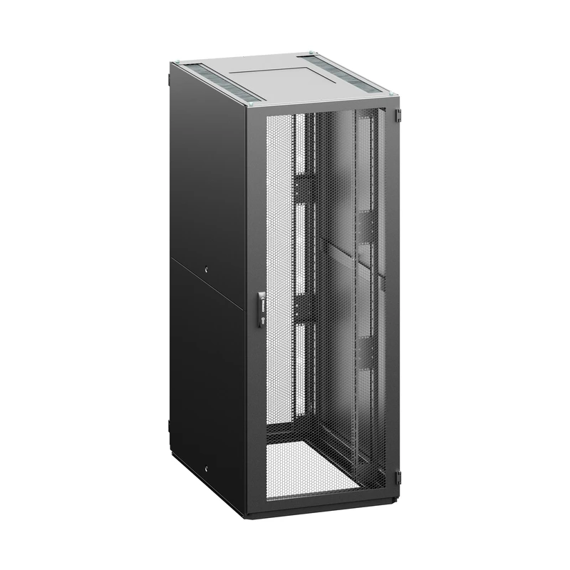

Configuration Parameters
Parameter | Code | Value
Height | 42 | 42U (2005 mm)
Width | 80 | 800 mm
Depth | 10 | 1000 mm
Color | B | RAL 7035 (light gray)
Bar type | V | V - type of extrusions
Front door | A | vertically divided glass door
Front door lock | H | swivel handle with combination lock, individual key, multipoint
Rear Door | C | vertically divided sheet steel door
Rear Door Lock | 3 | Electronic door lock DIN 18252 profile, cable 4m, multipoint
Side panel | A | 2 side panels, sheet steel, universal key
Top and bottom plate | X | no top and bottom

General Accessories
No general accessories.

Installed Accessories
No accessories with an assigned position.

