Configuration
IT Cabinet Configuration

Configuration Code: | RF1-42-80/12A-WWFWA-0HK-B

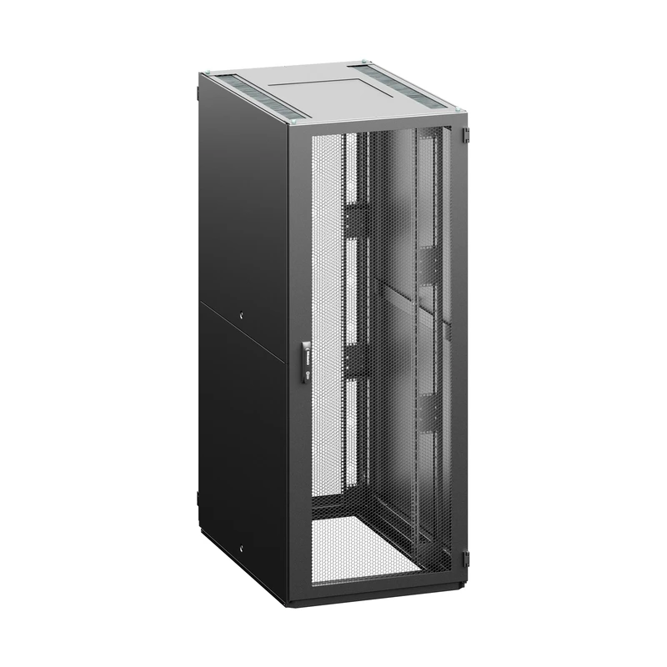

Configuration Parameters
Parameter | Code | Value
Height | 42 | 42U (2005 mm)
Width | 80 | 800 mm
Depth | 12 | 1200 mm
Color | B | RAL 7035 (light gray)
Bar type | A | A - type of extrusions
Front door | W | perforated door, perforation rate 86%
Front door lock | W | swivel handle, DIN profile, universal key 333, multipoint
Rear Door | F | perforated door vertically divided, perforation rate 86%
Rear Door Lock | W | swivel handle, DIN profile, universal key 333, multipoint
Side panel | A | 2 side panels, sheet steel, universal key
Top and bottom plate | H | Standard: Top plate - H design, bottom plate -segmented, only first segment)

General Accessories
No general accessories.

Installed Accessories
No accessories with an assigned position.

